Sheet1
DATE | INV.NO | DESCRIPTION | QTY | BILLS | PRICE | SUBTOTAL | TOTAL
2025-12-05 | 821 | VACUUM PLASTIC 16X25 | 5 | 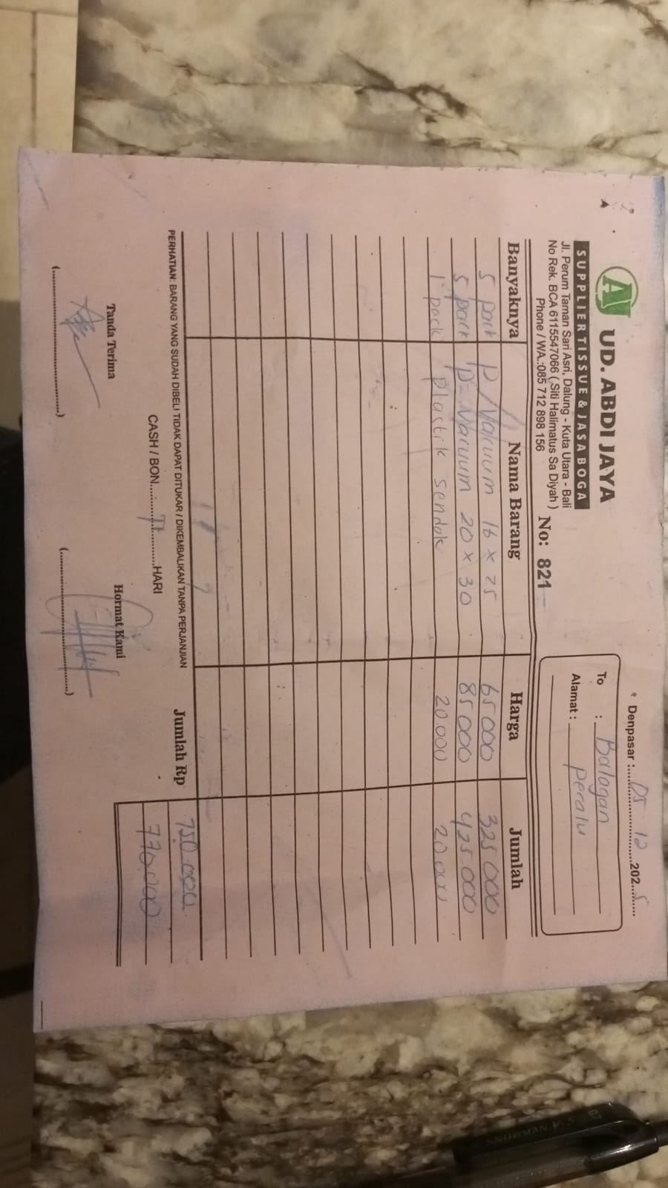 | Rp65,000 | Rp325,000 | Rp770,000
 |  | VACUUM PLASTIC 20X30 | 5 |  | Rp85,000 | Rp425,000
 |  | PLASTIC FOR CUTLERIES | 1 |  | Rp20,000 | Rp20,000
2025-12-11 | 0413 | PLASTIC BOWL 650ML | 3 | 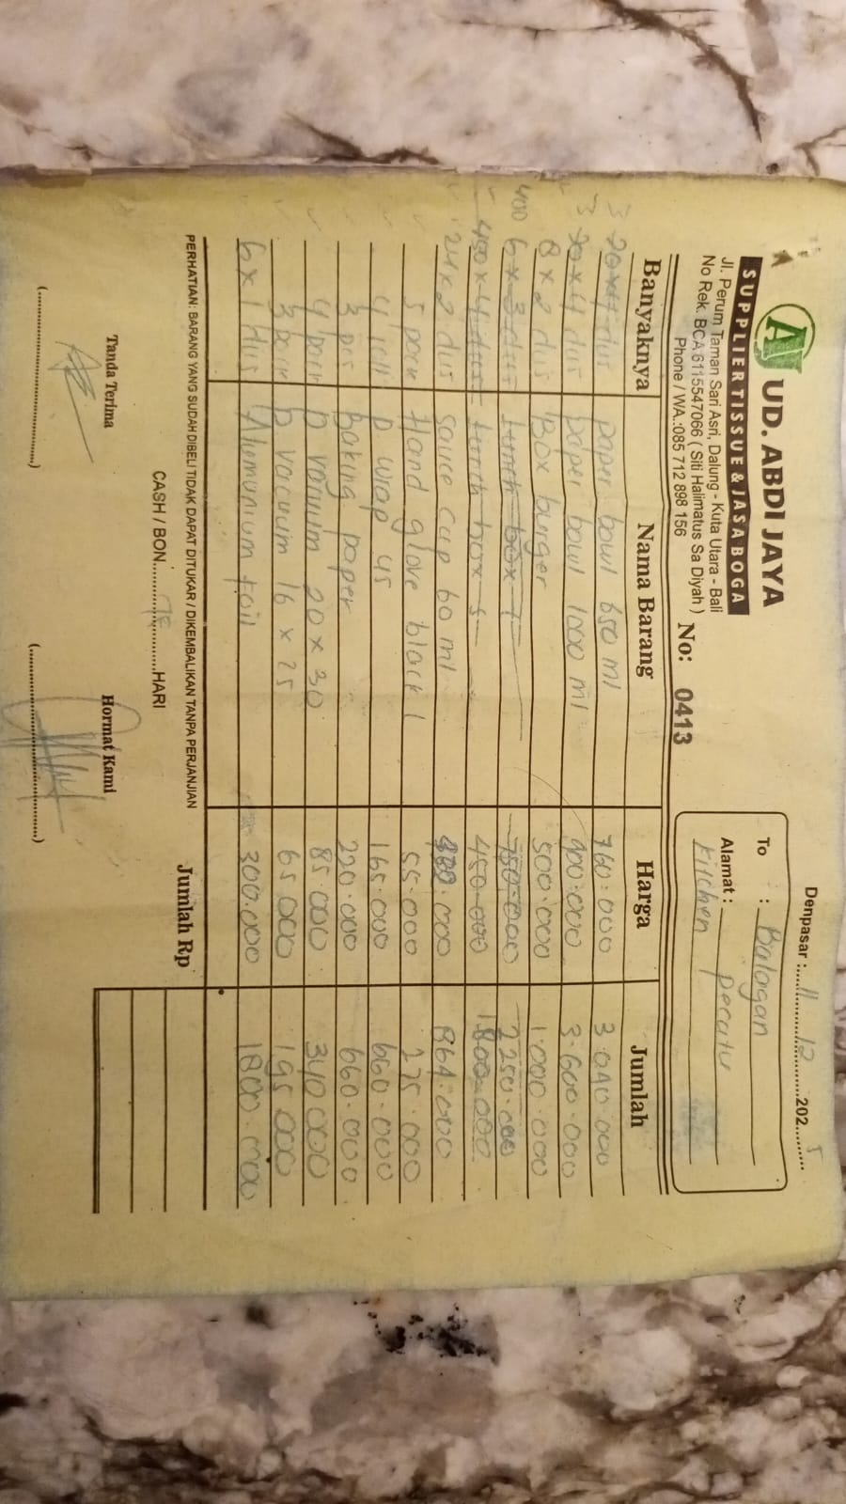 | Rp760,000 | Rp2,280,000 | Rp10,774,000
 |  | PLASTIC BOWL 1000ML | 3 |  | Rp900,000 | Rp2,700,000
 |  | BOX BURGER | 2 |  | Rp500,000 | Rp1,000,000
 |  | SAUCE CUP 60ML | 2 |  | Rp432,000 | Rp864,000
 |  | HAND GLOVE BLACK L | 5 |  | Rp55,000 | Rp275,000
 |  | PLASTIC WRAP 45 | 4 |  | Rp165,000 | Rp660,000
 |  | BAKING PAPER | 3 |  | Rp220,000 | Rp660,000
 |  | PLASTIC VACUUM 20X30 | 4 |  | Rp85,000 | Rp340,000
 |  | PLASTIC VACUUM 16X25 | 3 |  | Rp65,000 | Rp195,000
 |  | ALUMINIUM FOIL | 6 |  | Rp300,000 | Rp1,800,000
2025-12-12 | 939 | LUNCH BOX L ASSEMBLY | 10 | 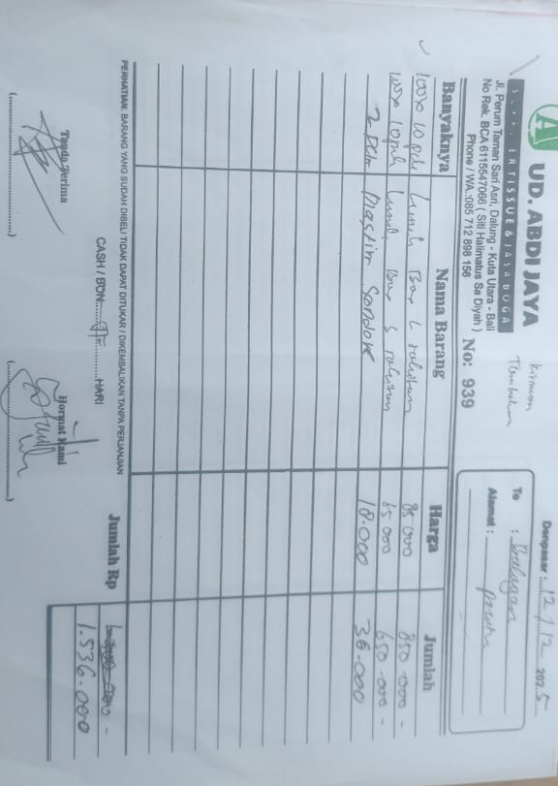 | Rp85,000 | Rp850,000 | Rp1,536,000
 |  | LUNCH BOX S ASSEMBLY | 10 |  | Rp65,000 | Rp650,000
 |  | PLASTIC CUTLERIES 8X20 | 2 |  | Rp18,000 | Rp36,000
2025-12-13 | 0432 | PLASTIC CUTLERIES 8X20 | 20 | 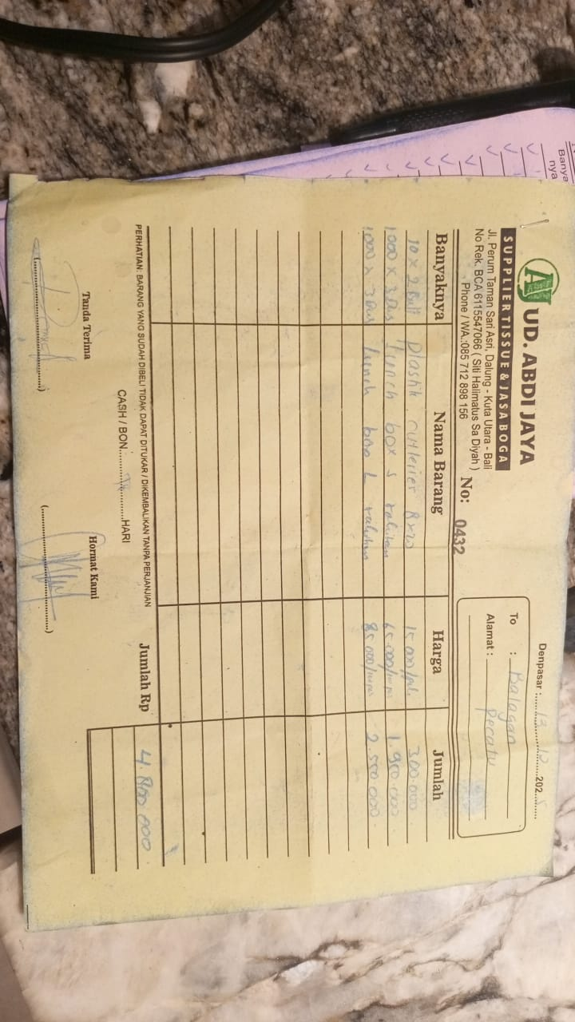 | Rp15,000 | Rp300,000 | Rp4,800,000
 |  | LUNCH BOX S ASSEMBLY | 30 |  | Rp65,000 | Rp1,950,000
 |  | LUNCH BOX L ASSEMBLY | 30 |  | Rp85,000 | Rp2,550,000
GRAND TOTAL |  |  |  |  | Rp17,880,000 |  |  | KITCHEN | FLOOR
 |  |  |  |  |  |  |  | Rp17,880,000 | Rp9,220,000
 |  |  |  |  |  |  |  | COMBINED TOTAL
 | INV NO. | DESCRIPTIONS | AMOUNT | BILLS | PRICE | SUBTOTAL | TOTAL | Rp27,100,000
11-Dec-2025 | 0414 | TISSUE COCKTAIL NAPKIN | 1 | 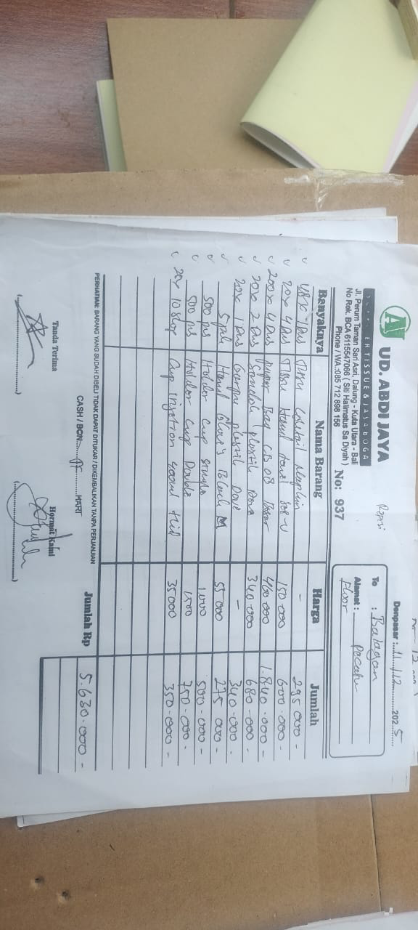 | IDR 295,000 | IDR 295,000 | IDR 5,630,000
 |  | TISSUE SEE U | 4 |  | IDR 150,000 | IDR 600,000
 |  | PAPER BAG CB 8 | 4 |  | IDR 460,000 | IDR 1,840,000
 |  | PLASTIC SPOON | 2 |  | IDR 340,000 | IDR 680,000
 |  | PLASTIC FORK | 1 |  | IDR 340,000 | IDR 340,000
 |  | HAND GLOVE M BLACK | 5 |  | IDR 55,000 | IDR 275,000
 |  | CUP HOLDER SINGLE | 500 |  | IDR 1,000 | IDR 500,000
 |  | CUP HOLDER DOUBLE | 500 |  | IDR 1,500 | IDR 750,000
 |  | CUP INJECTION 400 ML | 10 |  | IDR 35,000 | IDR 350,000
2025-12-12 | 938 | PAPER BAG CB 7 | 4 | 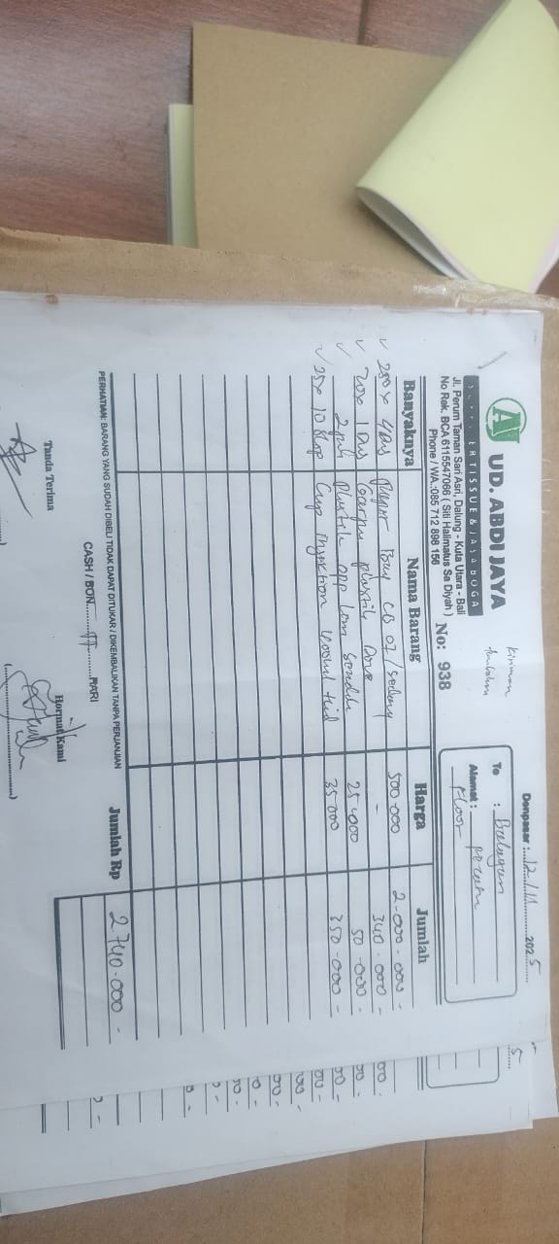 | IDR 500,000 | IDR 2,000,000 | Rp2,740,000
 |  | PLASTIC FORK | 1 |  | IDR 340,000 | IDR 340,000
 |  | PLASTIC SPOON | 2 |  | IDR 25,000 | IDR 50,000
 |  | CUP INJECTION 400 ML | 10 |  | IDR 35,000 | IDR 350,000
2025-12-17 | 0608 | TOOTHPICK COVER PLAIN | 20 | 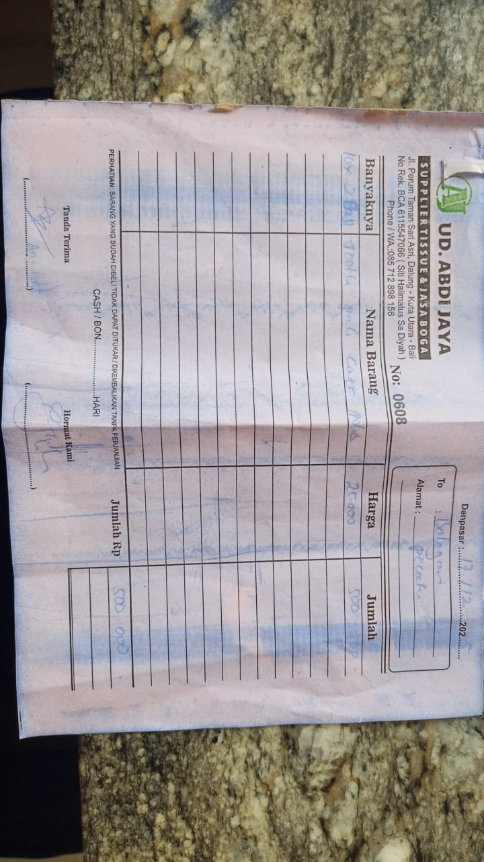 | 25000 | IDR 500,000 | Rp500,000
2025-12-22 | 0329 | WHITE PLASTIC BAG 40X30 | 10 | 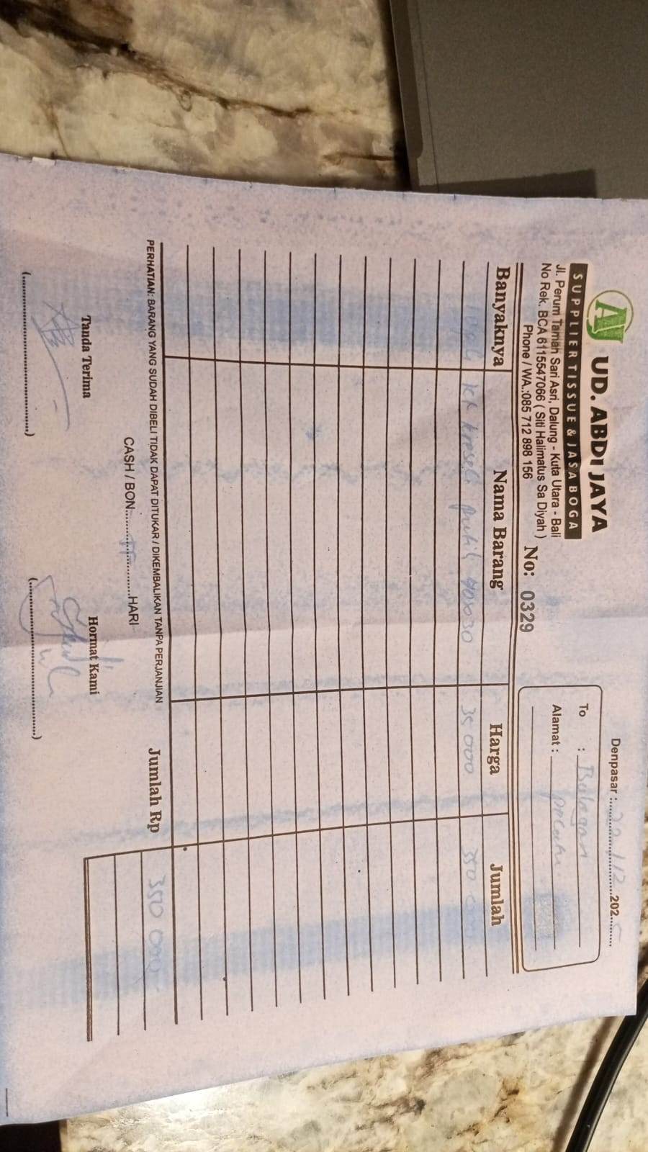 | 35000 | IDR 350,000 | Rp350,000
GRAND TOTAL |  |  |  |  | Rp9,220,000

